Sheet1
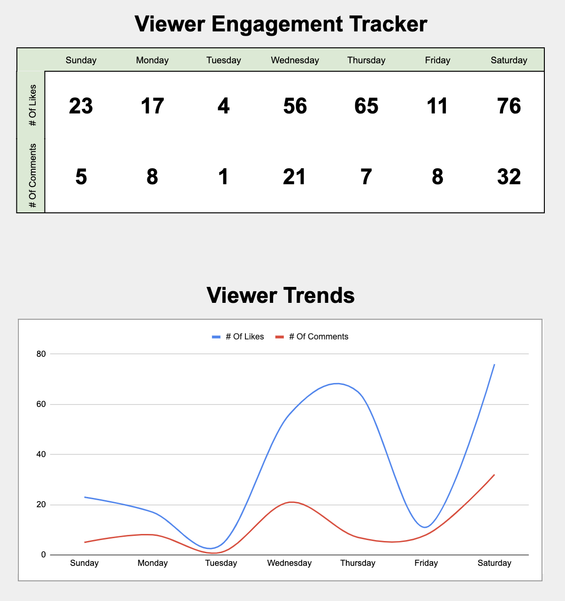
Viewer Engagement Tracker |  |  |  |  |  |  |  | Sample Image
 | Sunday | Monday | Tuesday | Wednesday | Thursday | Friday | Saturday
# Of Likes | 0 | 0 | 0 | 0 | 0 | 0 | 0
# Of Comments | 0 | 0 | 0 | 0 | 0 | 0 | 0

Viewer Trends

